Print Page 1
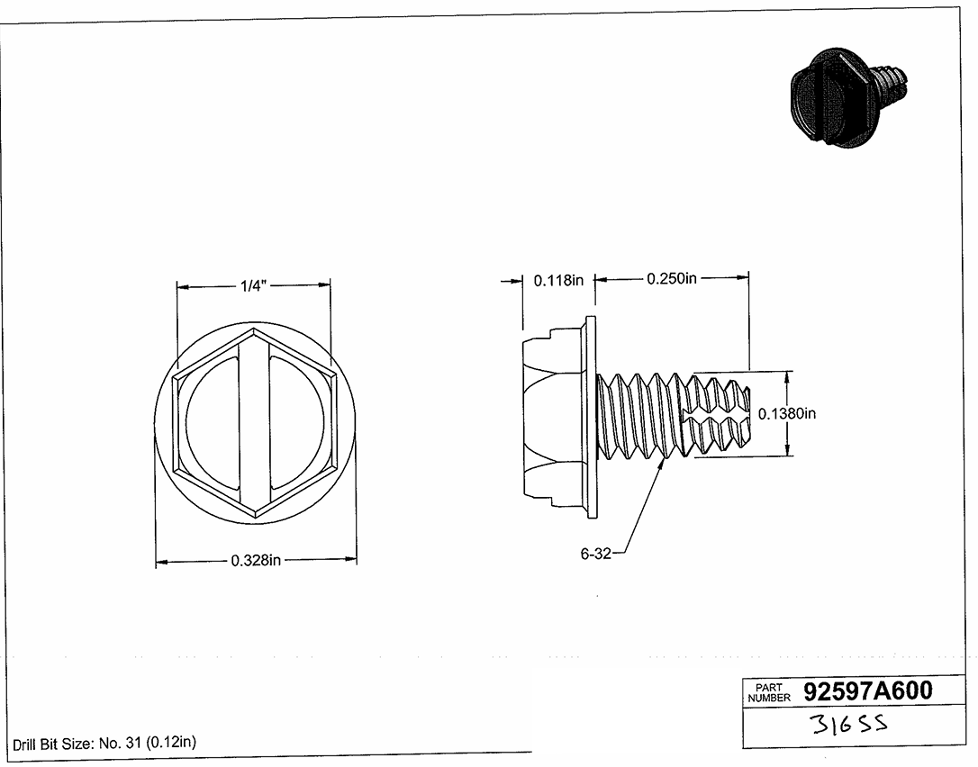

2
4
3

5

6
1

